Time Series
 |  | private | nonfarm

200901 | 2009-01-01 | 111495 | 134074
200902 | 2009-02-01 | 110756 | 133332
200903 | 2009-03-01 | 109969 | 132529
200904 | 2009-04-01 | 109158 | 131835
200905 | 2009-05-01 | 108874 | 131491
200906 | 2009-06-01 | 108450 | 131026
200907 | 2009-07-01 | 108164 | 130685
200908 | 2009-08-01 | 107964 | 130501
200909 | 2009-09-01 | 107808 | 130259
200910 | 2009-10-01 | 107537 | 130061
200911 | 2009-11-01 | 107540 | 130073
200912 | 2009-12-01 | 107322 | 129804
201001 | 2010-01-01 | 107316 | 129807
201002 | 2010-02-01 | 107239 | 129715
201003 | 2010-03-01 | 107377 | 129895
201004 | 2010-04-01 | 107563 | 130132
201005 | 2010-05-01 | 107670 | 130666
201006 | 2010-06-01 | 107790 | 130530
201007 | 2010-07-01 | 107873 | 130442
201008 | 2010-08-01 | 108017 | 130437
201009 | 2010-09-01 | 108126 | 130373
201010 | 2010-10-01 | 108345 | 130642
201011 | 2010-11-01 | 108478 | 130765
201012 | 2010-12-01 | 108573 | 130839
201101 | 2011-01-01 | 108601 | 130859
201102 | 2011-02-01 | 108857 | 131072
201103 | 2011-03-01 | 109112 | 131304
201104 | 2011-04-01 | 109441 | 131625
201105 | 2011-05-01 | 109591 | 131720
201106 | 2011-06-01 | 109791 | 131955
201107 | 2011-07-01 | 109967 | 132016
201108 | 2011-08-01 | 110121 | 132138
201109 | 2011-09-01 | 110391 | 132374
201110 | 2011-10-01 | 110580 | 132578
201111 | 2011-11-01 | 110739 | 132710
201112 | 2011-12-01 | 110960 | 132914
201201 | 2012-01-01 | 111323 | 133269
201202 | 2012-02-01 | 111584 | 133531
201203 | 2012-03-01 | 111826 | 133769
201204 | 2012-04-01 | 111921 | 133852
201205 | 2012-05-01 | 112040 | 133951
201206 | 2012-06-01 | 112093 | 134023
201207 | 2012-07-01 | 112263 | 134176
201208 | 2012-08-01 | 112430 | 134346
201209 | 2012-09-01 | 112610 | 134535
201210 | 2012-10-01 | 112790 | 134693
201211 | 2012-11-01 | 112968 | 134851
201212 | 2012-12-01 | 113201 | 135088
201301 | 2013-01-01 | 113414 | 135283
201302 | 2013-02-01 | 113681 | 135562
201303 | 2013-03-01 | 113828 | 135698
201304 | 2013-04-01 | 114021 | 135890
201305 | 2013-05-01 | 114250 | 136114
201306 | 2013-06-01 | 114455 | 136295
201307 | 2013-07-01 | 114585 | 136400
201308 | 2013-08-01 | 114811 | 136642
201309 | 2013-09-01 | 114996 | 136831
201310 | 2013-10-01 | 115226 | 137056
201311 | 2013-11-01 | 115480 | 137323
201312 | 2013-12-01 | 115570 | 137390
201401 | 2014-01-01 | 115753 | 137567
201402 | 2014-02-01 | 115910 | 137735
201403 | 2014-03-01 | 116152 | 137985
201404 | 2014-04-01 | 116459 | 138312
201405 | 2014-05-01 | 116701 | 138533
201406 | 2014-06-01 | 116962 | 138857
201407 | 2014-07-01 | 117183 | 139084
201408 | 2014-08-01 | 117417 | 139272
201409 | 2014-09-01 | 117686 | 139583
1/1/2009 | 133332
2/1/2009 | 132529
3/1/2009 | 131835
4/1/2009 | 131491
5/1/2009 | 131026
6/1/2009 | 130685
7/1/2009 | 130501
8/1/2009 | 130259
9/1/2009 | 130061
10/1/2009 | 130073
11/1/2009 | 129804
12/1/2009 | 129807
1/1/2010 | 129715
2/1/2010 | 129895
3/1/2010 | 130132
4/1/2010 | 130666
5/1/2010 | 130530
6/1/2010 | 130442
7/1/2010 | 130437
8/1/2010 | 130373
9/1/2010 | 130642
10/1/2010 | 130765
11/1/2010 | 130839
12/1/2010 | 130859
1/1/2011 | 131072
2/1/2011 | 131304
3/1/2011 | 131625
4/1/2011 | 131720
5/1/2011 | 131955
6/1/2011 | 132016
7/1/2011 | 132138
8/1/2011 | 132374
9/1/2011 | 132578
10/1/2011 | 132710
11/1/2011 | 132914
12/1/2011 | 133269
1/1/2012 | 133531
2/1/2012 | 133769
3/1/2012 | 133852
4/1/2012 | 133951
5/1/2012 | 134023
6/1/2012 | 134176
7/1/2012 | 134346
8/1/2012 | 134535
9/1/2012 | 134693
10/1/2012 | 134851
11/1/2012 | 135088
12/1/2012 | 135283
1/1/2013 | 135562
2/1/2013 | 135698
...
201410 | 2014-10-01 | 117924 | 139841
201411 | 2014-11-01 | 118195 | 140127
201412 | 2014-12-01 | 118449 | 140396
201501 | 2015-01-01 | 118650 | 140609
201502 | 2015-02-01 | 118877 | 140857
201503 | 2015-03-01 | 118964 | 140934
201504 | 2015-04-01 | 119226 | 141234
201505 | 2015-05-01 | 119540 | 141553
201506 | 2015-06-01 | 119712 | 141723
201507 | 2015-07-01 | 119964 | 142016
201508 | 2015-08-01 | 120077 | 142138
201509 | 2015-09-01 | 120229 | 142271
201510 | 2015-10-01 | 120554 | 142610
201511 | 2015-11-01 | 120768 | 142845
201512 | 2015-12-01 | 121023 | 143125
201601 | 2016-01-01 | 121096 | 143215
201602 | 2016-02-01 | 121302 | 143447
201603 | 2016-03-01 | 121498 | 143681
201604 | 2016-04-01 | 121703 | 143892
201605 | 2016-05-01 | 121711 | 143907
201606 | 2016-06-01 | 121986 | 144189
201607 | 2016-07-01 | 122227 | 144525
201608 | 2016-08-01 | 122389 | 144660
201609 | 2016-09-01 | 122634 | 144930
201610 | 2016-10-01 | 122764 | 145058
201611 | 2016-11-01 | 122948 | 145228
201612 | 2016-12-01 | 123139 | 145443
201701 | 2017-01-01 | 123385 | 145695
201702 | 2017-02-01 | 123516 | 145836
201703 | 2017-03-01 | 123634 | 145963
201704 | 2017-04-01 | 123844 | 146176
201705 | 2017-05-01 | 123971 | 146304
201706 | 2017-06-01 | 124177 | 146533
201707 | 2017-07-01 | 124369 | 146737
201708 | 2017-08-01 | 124563 | 146924
201709 | 2017-09-01 | 124579 | 146942
201710 | 2017-10-01 | 124828 | 147202
201711 | 2017-11-01 | 125040 | 147422
201712 | 2017-12-01 | 125207 | 147596
201801 | 2018-01-01 | 125393 | 147767
201802 | 2018-02-01 | 125697 | 148097
201803 | 2018-03-01 | 125870 | 148279
201804 | 2018-04-01 | 126054 | 148475
201805 | 2018-05-01 | 126318 | 148745
201806 | 2018-06-01 | 126554 | 149007
201807 | 2018-07-01 | 126727 | 149185
201808 | 2018-08-01 | 126973 | 149467
201809 | 2018-09-01 | 127081 | 149575
201810 | 2018-10-01 | 127366 | 149852
201811 | 2018-11-01 | 127566 | 150048
201812 | 2018-12-01 | 127772 | 150270

Source
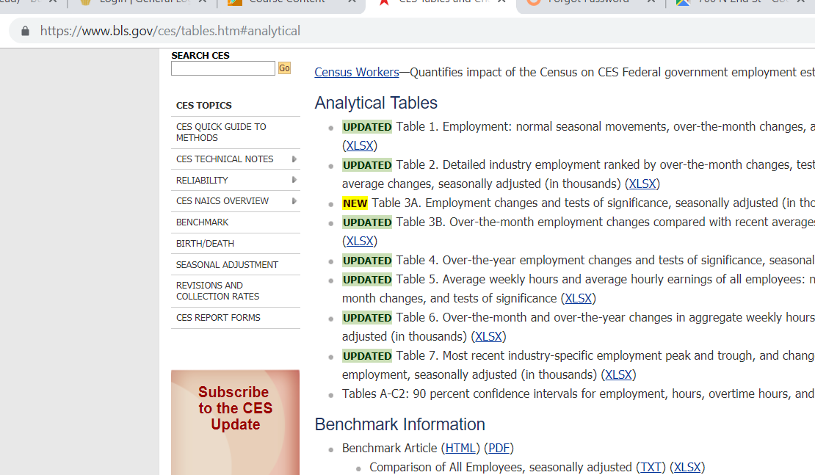
Data Pulled May 3rd, 2019

